CDC
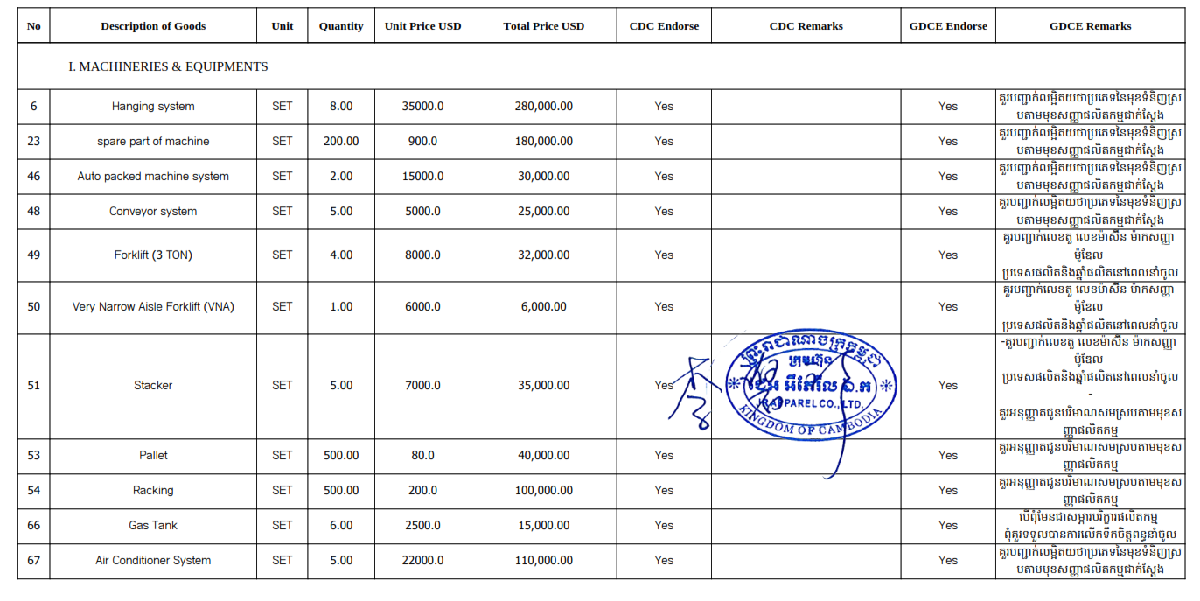
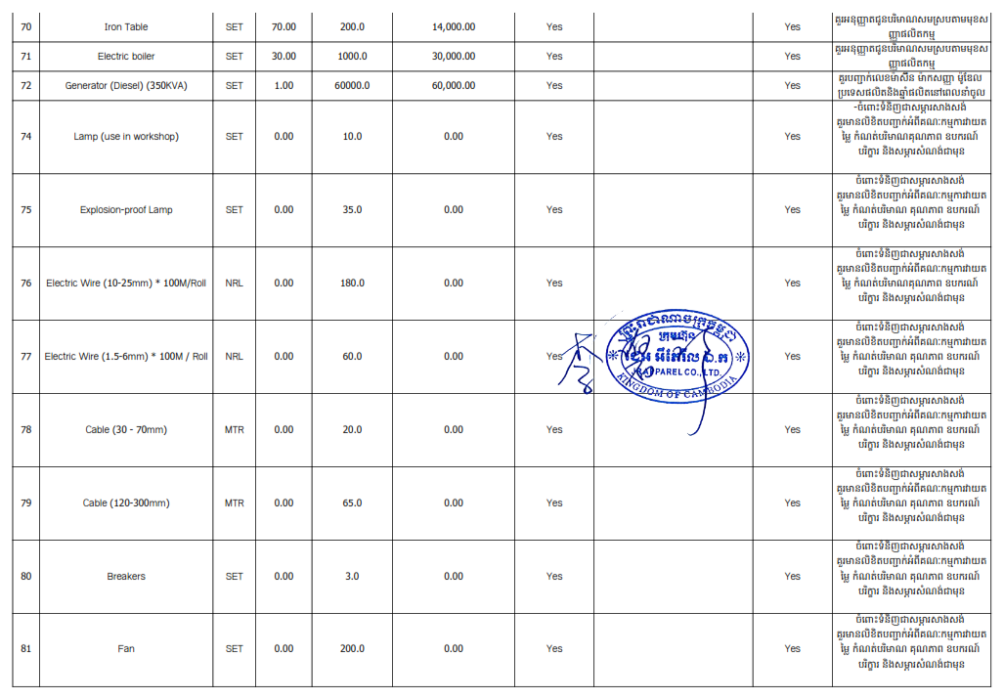
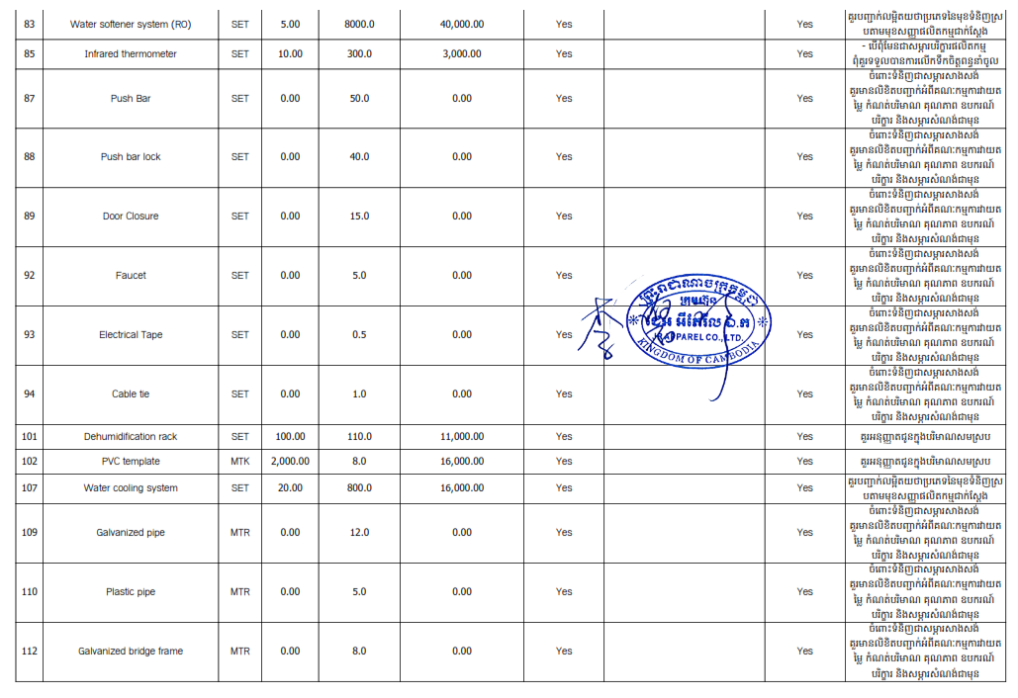
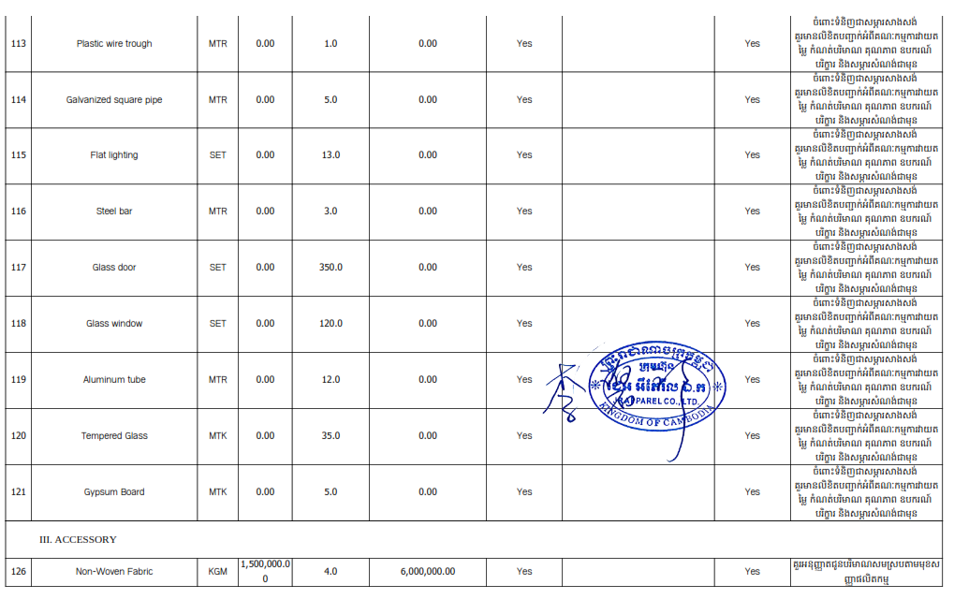
 |  |  |  |  |  |  |  | IMPORTED
I. MACHINERIES & EQUIPMENTS |  | New/ Used | Unit | Quantity | Unit Price USD | Total Price USD | Remarks | Q'TY | PRICE | N.W | BALANCE | <50% | Condition | Declare
1 | METAL DETECTOR MACHINE | New | SET | 3.00 | 4,500.00 | 13,500.00 | N/A | 1.00 | 4,500.00 | 1,014.60 | 2.00 | 66.67% | OK | I-1 | FABRIC INSPECTION MACHINE | SET
2 | HANDHELD SCANNER | New | SET | 8.00 | 130.00 | 1,040.00 | N/A | 2.00 | 260.00 | 197.00 | 6.00 | 75.00% | OK | I-2 | Fabric relaxing machine | SET
3 | FABRIC INSPECTION MACHINE | New | SET | 3.00 | 5,500.00 | 16,500.00 | N/A | 2.00 | 11,000.00 | 1,660.00 | 1.00 | 33.33% | CHECK | I-3 | FUSING MACHINE | SET
4 | ELECTRONIC SCALE-30KG | New | SET | 10.00 | 50.00 | 500.00 | N/A | - | - | - | 10.00 | 100.00% | OK | I-4 | IRON TABLE | SET
5 | GRAM SCALE-500G | New | SET | 5.00 | 50.00 | 250.00 | N/A | - | - | - | 5.00 | 100.00% | OK | I-5
6 | HANGING SYSTEM | New | SET | 8.00 | 35,000.00 | 280,000.00 | N/A | - | - | - | 8.00 | 100.00% | OK | I-6
7 | ONE NEEDLE SEWING MACHINE | New | SET | 300.00 | 320.00 | 96,000.00 | N/A | 64.00 | 20,480.00 | 4,268.00 | 236.00 | 78.67% | OK | I-7
8 | TWO NEEDLE SEWING MACHINE | New | SET | 50.00 | 1,500.00 | 75,000.00 | N/A | 2.00 | 3,000.00 | 138.00 | 48.00 | 96.00% | OK | I-8
9 | THREE NEEDLE FIVE THREAD SEWING MACHINE | New | SET | 50.00 | 1,500.00 | 75,000.00 | N/A | - | - | - | 50.00 | 100.00% | OK | I-9
10 | FOUR NEEDLE SIX THREAD SEWING MACHINE | New | SET | 40.00 | 3,000.00 | 120,000.00 | N/A | 2.00 | 6,000.00 | 380.00 | 38.00 | 95.00% | OK | I-10
11 | FOUR THREAD OVERLOCK SEWING MACHINE | New | SET | 300.00 | 500.00 | 150,000.00 | N/A | 24.00 | 12,000.00 | 1,540.00 | 276.00 | 92.00% | OK | I-11
12 | FIVE THREAD OVERLOCK SEWING MACHINE | New | SET | 50.00 | 550.00 | 27,500.00 | N/A | 46.00 | 25,300.00 | 3,082.00 | 4.00 | 8.00% | CHECK | I-12
13 | COVER STITCHING MACHINE | New | SET | 30.00 | 600.00 | 18,000.00 | N/A | - | - | - | 30.00 | 100.00% | OK | I-13
14 | SEWING MACHINE | New | SET | 100.00 | 1,000.00 | 100,000.00 | N/A | 7.00 | 7,000.00 | 553.00 | 93.00 | 93.00% | OK | I-14
15 | LONG ARM SEWING MACHINE | New | SET | 10.00 | 800.00 | 8,000.00 | N/A | - | - | - | 10.00 | 100.00% | OK | I-15
16 | BARTACKING MACHINE | New | SET | 20.00 | 1,200.00 | 24,000.00 | N/A | 10.00 | 12,000.00 | 820.00 | 10.00 | 50.00% | OK | I-16
17 | WAISTBAND CHAINSTITCHING MACHINE | New | SET | 30.00 | 1,000.00 | 30,000.00 | N/A | - | - | - | 30.00 | 100.00% | OK | I-17
18 | TEMPLATE LASER CUT MACHINE | New | SET | 5.00 | 4,000.00 | 20,000.00 | N/A | - | - | - | 5.00 | 100.00% | OK | I-18
19 | TEMPLATE SEWING MACHINE | New | SET | 10.00 | 5,400.00 | 54,000.00 | N/A | - | - | - | 10.00 | 100.00% | OK | I-19
20 | AUTO POCKET MAKING MACHINE | New | SET | 4.00 | 3,200.00 | 12,800.00 | N/A | 4.00 | 12,800.00 | 1,040.00 | - | 0.00% | CHECK | I-20
21 | BLIND STITCHING MACHINE | New | SET | 6.00 | 1,000.00 | 6,000.00 | N/A | - | - | - | 6.00 | 100.00% | OK | I-21
22 | UPPER SLEEVE MACHINE | New | SET | 20.00 | 1,200.00 | 24,000.00 | N/A | - | - | - | 20.00 | 100.00% | OK | I-22
23 | SPARE PART OF MACHINE | New | SET | 200.00 | 900.00 | 180,000.00 | N/A | - | - | - | 200.00 | 100.00% | OK | I-23
24 | LABEL ATTACHING MACHINE | New | SET | 20.00 | 1,000.00 | 20,000.00 | N/A | - | - | - | 20.00 | 100.00% | OK | I-24
25 | BUTTON HOLING MACHINE | New | SET | 5.00 | 2,000.00 | 10,000.00 | N/A | - | - | - | 5.00 | 100.00% | OK | I-25
26 | BUTTON SEWING MACHINE | New | SET | 5.00 | 1,500.00 | 7,500.00 | N/A | 5.00 | 7,500.00 | 370.00 | - | 0.00% | CHECK | I-26
27 | SNAP FIXING MACHINE | New | SET | 10.00 | 300.00 | 3,000.00 | N/A | 6.00 | 1,800.00 | 40.40 | 4.00 | 40.00% | CHECK | I-27
28 | EMBRO MACHINE(7~12 HEAD) | New | SET | 5.00 | 2,500.00 | 12,500.00 | N/A | - | - | - | 5.00 | 100.00% | OK | I-28
29 | AUTOMATIC STRING THRUSTING MACHINE | New | SET | 2.00 | 2,000.00 | 4,000.00 | N/A | - | - | - | 2.00 | 100.00% | OK | I-29
30 | AUTO ELASTIC BAND JOINING MACHINE | New | SET | 5.00 | 12,000.00 | 60,000.00 | N/A | - | - | - | 5.00 | 100.00% | OK | I-30
31 | PATTERN SEWING MACHINE | New | SET | 4.00 | 5,400.00 | 21,600.00 | N/A | - | - | - | 4.00 | 100.00% | OK | I-31
32 | TANGENT BUNDLE MACHINE | New | SET | 2.00 | 3,000.00 | 6,000.00 | N/A | - | - | - | 2.00 | 100.00% | OK | I-32
33 | AUTO COLLAR-BAND ATTACHING MACHINE | New | SET | 2.00 | 6,000.00 | 12,000.00 | N/A | - | - | - | 2.00 | 100.00% | OK | I-33
34 | AUXILIARY MACHINE | New | SET | 5.00 | 2,000.00 | 10,000.00 | N/A | - | - | - | 5.00 | 100.00% | OK | I-34
35 | AUTO CUTTING MACHINE | New | SET | 2.00 | 90,000.00 | 180,000.00 | N/A | - | - | - | 2.00 | 100.00% | OK | I-35
36 | FABRIC SPREADING MACHINE | New | SET | 4.00 | 19,000.00 | 76,000.00 | N/A | 1.00 | 19,000.00 | 4,785.07 | 3.00 | 75.00% | OK | I-36
37 | CUTTING TABLE | New | SET | 8.00 | 4,080.00 | 32,640.00 | N/A | - | - | - | 8.00 | 100.00% | OK | I-37
38 | FABRIC RELAXING MACHINE | New | SET | 6.00 | 2,100.00 | 12,600.00 | N/A | 1.00 | 2,100.00 | 230.00 | 5.00 | 83.33% | OK | I-38
39 | FABRIC CUTTING MACHINE | New | SET | 20.00 | 750.00 | 15,000.00 | N/A | - | - | - | 20.00 | 100.00% | OK | I-39
40 | HEAT TRANSFER MACHINE | New | SET | 20.00 | 500.00 | 10,000.00 | N/A | - | - | - | 20.00 | 100.00% | OK | I-40
41 | CUTTING SAFETY STEEL HAND GLOVE | New | SET | 30.00 | 50.00 | 1,500.00 | N/A | - | - | - | 30.00 | 100.00% | OK | I-41
42 | ELECTRIC KNIFE MACHINE | New | SET | 20.00 | 200.00 | 4,000.00 | N/A | - | - | - | 20.00 | 100.00% | OK | I-42
43 | FUSING MACHINE | New | SET | 5.00 | 3,000.00 | 15,000.00 | N/A | 2.00 | 6,000.00 | 1,160.00 | 3.00 | 60.00% | OK | I-43
44 | PLOTTER | New | SET | 2.00 | 8,000.00 | 16,000.00 | N/A | - | - | - | 2.00 | 100.00% | OK | I-44
45 | NUMBERING MACHINE | New | SET | 200.00 | 10.00 | 2,000.00 | N/A | - | - | - | 200.00 | 100.00% | OK | I-45
46 | AUTO PACKED MACHINE SYSTEM | New | SET | 2.00 | 15,000.00 | 30,000.00 | N/A | - | - | - | 2.00 | 100.00% | OK | I-46
47 | AUTO FOLDING MACHINE | New | SET | 2.00 | 15,000.00 | 30,000.00 | N/A | - | - | - | 2.00 | 100.00% | OK | I-47
48 | CONVEYOR SYSTEM | New | SET | 5.00 | 5,000.00 | 25,000.00 | N/A | - | - | - | 5.00 | 100.00% | OK | I-48
49 | FORKLIFT (3 TON) | New | SET | 4.00 | 8,000.00 | 32,000.00 | N/A | - | - | - | 4.00 | 100.00% | OK | I-49
50 | VERY NARROW AISLE FORKLIFT (VNA) | New | SET | 1.00 | 6,000.00 | 6,000.00 | N/A | 1.00 | 6,000.00 | 903.00 | - | 0.00% | CHECK | I-50
51 | STACKER | New | SET | 5.00 | 7,000.00 | 35,000.00 | N/A | - | - | - | 5.00 | 100.00% | OK | I-51
52 | HYDRAULIC HAND PALLET TRUCK | New | SET | 10.00 | 200.00 | 2,000.00 | N/A | - | - | - | 10.00 | 100.00% | OK | I-52
53 | PALLET | New | SET | 500.00 | 80.00 | 40,000.00 | N/A | - | - | - | 500.00 | 100.00% | OK | I-53
54 | RACKING | New | SET | 500.00 | 200.00 | 100,000.00 | N/A | - | - | - | 500.00 | 100.00% | OK | I-54
55 | HANGING GARMENT RACK | New | SET | 200.00 | 15.00 | 3,000.00 | N/A | - | - | - | 200.00 | 100.00% | OK | I-55
56 | SWEEPER & WASHING MACHINE | New | SET | 5.00 | 1,000.00 | 5,000.00 | N/A | - | - | - | 5.00 | 100.00% | OK | I-56
57 | PULLING TEST MACHINE | New | SET | 2.00 | 450.00 | 900.00 | N/A | - | - | - | 2.00 | 100.00% | OK | I-57
58 | BUTTON PULL TEST MACHINE | New | SET | 2.00 | 600.00 | 1,200.00 | N/A | 1.00 | 600.00 | 272.20 | 1.00 | 50.00% | OK | I-58
59 | TEAR TEST MACHINE | New | SET | 2.00 | 900.00 | 1,800.00 | N/A | - | - | - | 2.00 | 100.00% | OK | I-59
60 | CRACKING TEST MACHINE | New | SET | 2.00 | 140.00 | 280.00 | N/A | - | - | - | 2.00 | 100.00% | OK | I-60
61 | FABRIC STRENGTH TESTER | New | SET | 2.00 | 2,800.00 | 5,600.00 | N/A | - | - | - | 2.00 | 100.00% | OK | I-61
62 | PH TEST MACHINE | New | SET | 2.00 | 160.00 | 320.00 | N/A | - | - | - | 2.00 | 100.00% | OK | I-62
63 | LIGHT BOX | New | SET | 5.00 | 700.00 | 3,500.00 | N/A | 1.00 | 700.00 | 476.20 | 4.00 | 80.00% | OK | I-63
64 | AIR COMPRESSOR (30HP) | New | SET | 6.00 | 8,000.00 | 48,000.00 | N/A | - | - | - | 6.00 | 100.00% | OK | I-64
65 | COLD DRYER | New | SET | 6.00 | 1,700.00 | 10,200.00 | N/A | - | - | - | 6.00 | 100.00% | OK | I-65
66 | GAS TANK | New | SET | 6.00 | 2,500.00 | 15,000.00 | N/A | - | - | - | 6.00 | 100.00% | OK | I-66
67 | AIR CONDITIONER SYSTEM | New | SET | 5.00 | 22,000.00 | 110,000.00 | N/A | - | - | - | 5.00 | 100.00% | OK | I-67
68 | BOILER | New | SET | 2.00 | 8,000.00 | 16,000.00 | N/A | 1.00 | 8,000.00 | 3,360.60 | 1.00 | 50.00% | OK | I-68
69 | STEAM IRON | New | SET | 70.00 | 80.00 | 5,600.00 | N/A | - | - | - | 70.00 | 100.00% | OK | I-69
70 | IRON TABLE | New | SET | 70.00 | 200.00 | 14,000.00 | N/A | 20.00 | 4,000.00 | 1,180.00 | 50.00 | 71.43% | OK | I-70
71 | ELECTRIC BOILER | New | SET | 30.00 | 1,000.00 | 30,000.00 | N/A | - | - | - | 30.00 | 100.00% | OK | I-71
72 | GENERATOR (DIESEL) (350KVA) | New | SET | 1.00 | 60,000.00 | 60,000.00 | N/A | 1.00 | 11,000.00 | 2,415.00 | - | 0.00% | CHECK | I-72
73 | DEHUMIDIFIER MACHINE | New | SET | 5.00 | 3,500.00 | 17,500.00 | N/A | - | - | - | 5.00 | 100.00% | OK | I-73
74 | LAMP (USE IN WORKSHOP) | New | SET | - | 10.00 | - | N/A | - | - | - | - | 0.00% | CHECK | I-74
75 | EXPLOSION-PROOF LAMP | New | SET | - | 35.00 | - | N/A | - | - | - | - | 0.00% | CHECK | I-75
76 | ELECTRIC WIRE (10-25MM) * 100M/ROLL | New | NRL | - | 180.00 | - | N/A | - | - | - | - | 0.00% | CHECK | I-76
77 | ELECTRIC WIRE (1.5-6MM) * 100M / ROLL | New | NRL | - | 60.00 | - | N/A | - | - | - | - | 0.00% | CHECK | I-77
78 | CABLE (30 - 70MM) | New | MTR | - | 20.00 | - | N/A | - | - | - | - | 0.00% | CHECK | I-78
79 | CABLE (120-300MM) | New | MTR | - | 65.00 | - | N/A | - | - | - | - | 0.00% | CHECK | I-79
80 | BREAKERS | New | SET | - | 3.00 | - | N/A | - | - | - | - | 0.00% | CHECK | I-80
81 | FAN | New | SET | - | 200.00 | - | N/A | - | - | - | - | 0.00% | CHECK | I-81
82 | WATER DRINKING MACHINE | New | SET | 10.00 | 800.00 | 8,000.00 | N/A | - | - | - | 10.00 | 100.00% | OK | I-82
83 | WATER SOFTENER SYSTEM (RO) | New | SET | 5.00 | 8,000.00 | 40,000.00 | N/A | - | - | - | 5.00 | 100.00% | OK | I-83
84 | BARCODE PRINTER | New | SET | 10.00 | 1,400.00 | 14,000.00 | N/A | - | - | - | 10.00 | 100.00% | OK | I-84
85 | INFRARED THERMOMETER | New | SET | 10.00 | 300.00 | 3,000.00 | N/A | - | - | - | 10.00 | 100.00% | OK | I-85
86 | TEMPERATURE MEASURING DEVICE | New | SET | 35.00 | 60.00 | 2,100.00 | N/A | 2.00 | 120.00 | 1.00 | 33.00 | 94.29% | OK | I-86
87 | PUSH BAR | New | SET | - | 50.00 | - | N/A | - | - | - | - | 0.00% | CHECK | I-87
88 | PUSH BAR LOCK | New | SET | - | 40.00 | - | N/A | - | - | - | - | 0.00% | CHECK | I-88
89 | DOOR CLOSURE | New | SET | - | 15.00 | - | N/A | - | - | - | - | 0.00% | CHECK | I-89
90 | MOSQUITO KILLER TUBE | New | SET | 70.00 | 3.00 | 210.00 | N/A | - | - | - | 70.00 | 100.00% | OK | I-90
91 | MOSQUITO KILLER LAMP STARTER | New | SET | 50.00 | 1.00 | 50.00 | N/A | - | - | - | 50.00 | 100.00% | OK | I-91
92 | FAUCET | New | SET | - | 5.00 | - | N/A | - | - | - | - | 0.00% | CHECK | I-92
93 | ELECTRICAL TAPE | New | SET | - | 0.50 | - | N/A | - | - | - | - | 0.00% | CHECK | I-93
94 | CABLE TIE | New | SET | - | 1.00 | - | N/A | - | - | - | - | 0.00% | CHECK | I-94
95 | DUMMY | New | SET | 5.00 | 2,000.00 | 10,000.00 | N/A | - | - | - | 5.00 | 100.00% | OK | I-95
96 | INSPECTION TABLE | New | SET | 60.00 | 80.00 | 4,800.00 | N/A | 40.00 | 3,200.00 | 1,973.70 | 20.00 | 33.33% | CHECK | I-96
97 | PACKING TABLE | New | SET | 60.00 | 85.00 | 5,100.00 | N/A | - | - | - | 60.00 | 100.00% | OK | I-97
98 | TROLLEY | New | SET | 200.00 | 110.00 | 22,000.00 | N/A | 18.00 | 1,980.00 | 580.00 | 182.00 | 91.00% | OK | I-98
99 | PRODUCTION WATER TROUGH | New | SET | 6.00 | 3,000.00 | 18,000.00 | N/A | - | - | - | 6.00 | 100.00% | OK | I-99
100 | LOOSE CLOTH RACK | New | SET | 50.00 | 240.00 | 12,000.00 | N/A | 5.00 | 1,200.00 | 0.57 | 45.00 | 90.00% | OK | I-100
101 | DEHUMIDIFICATION RACK | New | SET | 100.00 | 110.00 | 11,000.00 | N/A | - | - | - | 100.00 | 100.00% | OK | I-101
102 | PVC TEMPLATE | New | MTK | 2,000.00 | 8.00 | 16,000.00 | N/A | - | - | - | 2,000.00 | 100.00% | OK | I-102
103 | SEWING SITTING CHAIRS | New | SET | 500.00 | 10.00 | 5,000.00 | N/A | 212.00 | 2,120.00 | 172.80 | 288.00 | 57.60% | OK | I-103
104 | THREAD SUCKING MACHINE | New | SET | 5.00 | 800.00 | 4,000.00 | N/A | - | - | - | 5.00 | 100.00% | OK | I-104
105 | ASSEMBLED ISOLATION NET | New | MTR | 500.00 | 12.00 | 6,000.00 | N/A | - | - | - | 500.00 | 100.00% | OK | I-105
106 | STACKING RACK | New | SET | 200.00 | 120.00 | 24,000.00 | N/A | - | - | - | 200.00 | 100.00% | OK | I-106
107 | WATER COOLING SYSTEM | New | SET | 20.00 | 800.00 | 16,000.00 | N/A | - | - | - | 20.00 | 100.00% | OK | I-107
108 | SWITCH BOX | New | SET | 200.00 | 8.00 | 1,600.00 | N/A | - | - | - | 200.00 | 100.00% | OK | I-108
109 | GALVANIZED PIPE | New | MTR | - | 12.00 | - | N/A | - | - | - | - | 0.00% | CHECK | I-109
110 | PLASTIC PIPE | New | MTR | - | 5.00 | - | N/A | - | - | - | - | 0.00% | CHECK | I-110
111 | WATER TANK | New | SET | 5.00 | 500.00 | 2,500.00 | N/A | - | - | - | 5.00 | 100.00% | OK | I-111
112 | GALVANIZED BRIDGE FRAME | New | MTR | - | 8.00 | - | N/A | - | - | - | - | 0.00% | CHECK | I-112
113 | PLASTIC WIRE TROUGH | New | MTR | - | 1.00 | - | N/A | - | - | - | - | 0.00% | CHECK | I-113
114 | GALVANIZED SQUARE PIPE | New | MTR | - | 5.00 | - | N/A | - | - | - | - | 0.00% | CHECK | I-114
115 | FLAT LIGHTING | New | SET | - | 13.00 | - | N/A | - | - | - | - | 0.00% | CHECK | I-115
116 | STEEL BAR | New | MTR | - | 3.00 | - | N/A | - | - | - | - | 0.00% | CHECK | I-116
117 | GLASS DOOR | New | SET | - | 350.00 | - | N/A | - | - | - | - | 0.00% | CHECK | I-117
118 | GLASS WINDOW | New | SET | - | 120.00 | - | N/A | - | - | - | - | 0.00% | CHECK | I-118
119 | ALUMINUM TUBE | New | MTR | - | 12.00 | - | N/A | - | - | - | - | 0.00% | CHECK | I-119
120 | TEMPERED GLASS | New | MTK | - | 35.00 | - | N/A | - | - | - | - | 0.00% | CHECK | I-120
121 | GYPSUM BOARD | New | MTK | - | 5.00 | - | N/A | - | - | - | - | 0.00% | CHECK | I-121
122 | PLASTIC FRAME | New | SET | 100.00 | 20.00 | 2,000.00 | N/A | 20.00 | 400.00 | 25.00 | 80.00 | 80.00% | OK | I-122
123 | BARCODE PRINTER MACHINE | New | SET | 3.00 | 1,000.00 | 3,000.00 | N/A | - | - | - | 3.00 | 100.00% | OK | I-123
 |  |  |  |  |  |  |  | 501.00
II. RAW MATERIAL |  |  |  |  |  |  |  | - | - | - | -
124 | WOVEN FABRIC |  | MTR | 900,000.00 | 1.80 | 1,620,000.00 | N/A | 235,127.00 | 398,495.00 | 71,264.60 | 664,873.00 | 73.87% | OK | II-124
126 | KNITTED FABRIC |  | MTR | 900,000.00 | 1.00 | 900,000.00 | N/A | 712,385.40 | 712,385.40 | 331,048.80 | 187,614.60 | 20.85% | CHECK | II-125
III. ACCESSORY |  |  |  |  |  |  |  | - | - | - | -
126 | NON-WOVEN FABRIC |  | KGM | 1,500,000.00 | 4.00 | 6,000,000.00 | N/A | - | - | - | 1,500,000.00 | 100.00% | OK | III-126
127 | KNITTED RIB |  | KGM | 374,000.00 | 2.00 | 748,000.00 | N/A | - | - | - | 374,000.00 | 100.00% | OK | III-127
128 | LINING FABRIC |  | KGM | 234,000.00 | 3.00 | 702,000.00 | N/A | - | - | - | 234,000.00 | 100.00% | OK | III-128
129 | YOKE |  | DZN | 334,000.00 | 2.00 | 668,000.00 | N/A | - | - | - | 334,000.00 | 100.00% | OK | III-129
130 | INTERLINING |  | MTR | 1,000,000.00 | 0.20 | 200,000.00 | N/A | 5,985.00 | 1,197.00 | 1,142.75 | 994,015.00 | 99.40% | OK | III-130
131 | PU FABRIC |  | MTR | 14,000.00 | 3.00 | 42,000.00 | N/A | - | - | - | 14,000.00 | 100.00% | OK | III-131
132 | NYLON THREAD |  | UNT | 300,000.00 | 0.45 | 135,000.00 | 1UNIT=100~10000 M | - | - | - | 300,000.00 | 100.00% | OK | III-132
133 | COTTON THREAD |  | UNT | 134,000.00 | 0.45 | 60,300.00 | 1UNIT=100~10000 M | - | - | - | 134,000.00 | 100.00% | OK | III-133
134 | POLYESTER THREAD |  | UNT | 300,000.00 | 0.45 | 135,000.00 | 1UNIT=100~10000 M | - | - | - | 300,000.00 | 100.00% | OK | III-134
135 | ELASTIC THREAD |  | UNT | 50,000.00 | 0.40 | 20,000.00 | 1UNIT=100~10000 M | - | - | - | 50,000.00 | 100.00% | OK | III-135
136 | EMBROIDERY THREAD |  | UNT | 9,000.00 | 0.50 | 4,500.00 | 1UNIT=100~10000 M | - | - | - | 9,000.00 | 100.00% | OK | III-136
137 | NYLON ZIPPER |  | DZN | 400,000.00 | 1.80 | 720,000.00 | N/A | - | - | - | 400,000.00 | 100.00% | OK | III-137
138 | METAL ZIPPER |  | DZN | 200,000.00 | 1.50 | 300,000.00 | N/A | - | - | - | 200,000.00 | 100.00% | OK | III-138
139 | PLASTIC ZIPPER |  | DZN | 400,000.00 | 1.20 | 480,000.00 | N/A | 602.00 | 722.40 | 23.00 | 399,398.00 | 99.85% | OK | III-139
140 | MAIN LABEL |  | DZN | 400,000.00 | 0.05 | 20,000.00 | N/A | 7,415.00 | 370.75 | 51.50 | 392,585.00 | 98.15% | OK | III-140
141 | SIZE LABEL |  | DZN | 400,000.00 | 0.05 | 20,000.00 | N/A | - | - | - | 400,000.00 | 100.00% | OK | III-141
142 | LEATHER PATCH |  | DZN | 250,000.00 | 0.15 | 37,500.00 | N/A | - | - | - | 250,000.00 | 100.00% | OK | III-142
143 | PRINTED LABEL |  | DZN | 300,000.00 | 0.05 | 15,000.00 | N/A | - | - | - | 300,000.00 | 100.00% | OK | III-143
144 | CARE LABEL |  | DZN | 300,000.00 | 0.05 | 15,000.00 | N/A | - | - | - | 300,000.00 | 100.00% | OK | III-144
145 | BADGE |  | DZN | 250,000.00 | 0.20 | 50,000.00 | N/A | - | - | - | 250,000.00 | 100.00% | OK | III-145
146 | WOVEN LABEL |  | DZN | 300,000.00 | 0.05 | 15,000.00 | N/A | 764.00 | 38.20 | 10.70 | 299,236.00 | 99.75% | OK | III-146
147 | EMBROIDERY PATCH |  | DZN | 250,000.00 | 0.80 | 200,000.00 | N/A | - | - | - | 250,000.00 | 100.00% | OK | III-147
148 | HEAT TRANSFER LABEL |  | DZN | 300,000.00 | 0.05 | 15,000.00 | N/A | - | - | - | 300,000.00 | 100.00% | OK | III-148
149 | PO LABEL |  | DZN | 300,000.00 | 0.05 | 15,000.00 | N/A | - | - | - | 300,000.00 | 100.00% | OK | III-149
150 | SHOULDER TAPE |  | MTR | 1,000,000.00 | 0.01 | 10,000.00 | N/A | - | - | - | 1,000,000.00 | 100.00% | OK | III-150
151 | HERRINGBONE TAPE |  | MTR | 1,000,000.00 | 0.02 | 20,000.00 | N/A | - | - | - | 1,000,000.00 | 100.00% | OK | III-151
152 | WOVEN TAPE |  | MTR | 1,000,000.00 | 0.02 | 20,000.00 | N/A | 11,686.00 | 8,592.60 | 444.70 | 988,314.00 | 98.83% | OK | III-152
153 | COTTON TAPE |  | MTR | 1,500,000.00 | 0.02 | 30,000.00 | N/A | - | - | - | 1,500,000.00 | 100.00% | OK | III-153
154 | ELASTIC TAPE |  | MTR | 1,500,000.00 | 0.03 | 45,000.00 | N/A | 341.00 | 10.23 | 22.00 | 1,499,659.00 | 99.98% | OK | III-154
155 | DRAWSTRING (DOZ) |  | DZN | 300,000.00 | 0.10 | 30,000.00 | N/A | - | - | - | 300,000.00 | 100.00% | OK | III-155
156 | DRAWSTRING (M) |  | MTR | 300,000.00 | 0.01 | 3,000.00 | N/A | - | - | - | 300,000.00 | 100.00% | OK | III-156
157 | ELASTIC STRING |  | MTR | 1,000,000.00 | 0.01 | 10,000.00 | N/A | - | - | - | 1,000,000.00 | 100.00% | OK | III-157
158 | ELASTIC BAND |  | MTR | 800,000.00 | 0.04 | 32,000.00 | N/A | - | - | - | 800,000.00 | 100.00% | OK | III-158
159 | PIPING |  | MTR | 1,000,000.00 | 0.01 | 10,000.00 | N/A | - | - | - | 1,000,000.00 | 100.00% | OK | III-159
160 | VELCRO |  | MTR | 50,000.00 | 0.07 | 3,500.00 | N/A | - | - | - | 50,000.00 | 100.00% | OK | III-160
161 | STICKER |  | DZN | 200,000.00 | 0.10 | 20,000.00 | N/A | - | - | - | 200,000.00 | 100.00% | OK | III-161
162 | SIZE STICKER |  | DZN | 200,000.00 | 0.10 | 20,000.00 | N/A | - | - | - | 200,000.00 | 100.00% | OK | III-162
163 | PRICE STICKER |  | DZN | 200,000.00 | 0.10 | 20,000.00 | N/A | - | - | - | 200,000.00 | 100.00% | OK | III-163
164 | HANGER STICKER |  | DZN | 200,000.00 | 0.10 | 20,000.00 | N/A | - | - | - | 200,000.00 | 100.00% | OK | III-164
165 | BARCODE STICKER |  | DZN | 200,000.00 | 0.10 | 20,000.00 | N/A | - | - | - | 200,000.00 | 100.00% | OK | III-165
166 | POLYBAG STICKER |  | DZN | 200,000.00 | 0.15 | 30,000.00 | N/A | - | - | - | 200,000.00 | 100.00% | OK | III-166
167 | CARTON STICKER |  | DZN | 60,000.00 | 0.15 | 9,000.00 | N/A | - | - | - | 60,000.00 | 100.00% | OK | III-167
168 | SNAP |  | GRO | 40,000.00 | 4.00 | 160,000.00 | N/A | - | - | - | 40,000.00 | 100.00% | OK | III-168
169 | METAL BUTTON |  | GRO | 40,000.00 | 4.00 | 160,000.00 | N/A | 1,569.00 | 6,276.00 | 554.80 | 38,431.00 | 96.08% | OK | III-169
170 | PLASTIC BUTTON |  | GRO | 40,000.00 | 1.50 | 60,000.00 | N/A | 849.00 | 1,273.50 | 562.70 | 39,151.00 | 97.88% | OK | III-170
171 | STOPPER |  | DZN | 40,000.00 | 0.25 | 10,000.00 | N/A | - | - | - | 40,000.00 | 100.00% | OK | III-171
172 | TOGGLE |  | DZN | 40,000.00 | 0.25 | 10,000.00 | N/A | - | - | - | 40,000.00 | 100.00% | OK | III-172
173 | EYELET |  | GRO | 80,000.00 | 1.20 | 96,000.00 | N/A | - | - | - | 80,000.00 | 100.00% | OK | III-173
174 | RIVET |  | GRO | 80,000.00 | 1.20 | 96,000.00 | N/A | - | - | - | 80,000.00 | 100.00% | OK | III-174
175 | BUCKLE |  | GRO | 9,000.00 | 1.80 | 16,200.00 | N/A | - | - | - | 9,000.00 | 100.00% | OK | III-175
176 | HANG TAG |  | DZN | 200,000.00 | 0.12 | 24,000.00 | N/A | 1,284.00 | 154.08 | 66.90 | 198,716.00 | 99.36% | OK | III-176
177 | SIZE TAG |  | DZN | 200,000.00 | 0.10 | 20,000.00 | N/A | - | - | - | 200,000.00 | 100.00% | OK | III-177
178 | PAPER HANGTAG |  | DZN | 200,000.00 | 0.10 | 20,000.00 | N/A | - | - | - | 200,000.00 | 100.00% | OK | III-178
179 | PLASTIC HANGTAG |  | DZN | 200,000.00 | 0.15 | 30,000.00 | N/A | - | - | - | 200,000.00 | 100.00% | OK | III-179
180 | WAIST TAG |  | DZN | 200,000.00 | 0.10 | 20,000.00 | N/A | - | - | - | 200,000.00 | 100.00% | OK | III-180
181 | PRICE TAG |  | DZN | 200,000.00 | 0.20 | 40,000.00 | N/A | - | - | - | 200,000.00 | 100.00% | OK | III-181
182 | HANGER |  | DZN | 200,000.00 | 1.00 | 200,000.00 | N/A | 756.00 | 756.00 | 633.80 | 199,244.00 | 99.62% | OK | III-182
183 | SIZER CLIP |  | DZN | 200,000.00 | 0.15 | 30,000.00 | N/A | - | - | - | 200,000.00 | 100.00% | OK | III-183
184 | HANGER CLIP |  | DZN | 200,000.00 | 0.50 | 100,000.00 | N/A | - | - | - | 200,000.00 | 100.00% | OK | III-184
185 | TISSUE PAPER |  | DZN | 150,000.00 | 0.10 | 15,000.00 | N/A | - | - | - | 150,000.00 | 100.00% | OK | III-185
186 | CARDBOARD PAPER |  | DZN | 150,000.00 | 0.30 | 45,000.00 | N/A | - | - | - | 150,000.00 | 100.00% | OK | III-186
187 | SPARE POLYBAG |  | DZN | 150,000.00 | 0.10 | 15,000.00 | N/A | - | - | - | 150,000.00 | 100.00% | OK | III-187
188 | POLYBAG |  | DZN | 100,000.00 | 0.50 | 50,000.00 | N/A | - | - | - | 100,000.00 | 100.00% | OK | III-188
189 | PLASTIC POLYBAG |  | DZN | 45,000.00 | 1.00 | 45,000.00 | N/A | - | - | - | 45,000.00 | 100.00% | OK | III-189
190 | ANTI-MOLD STICKERS |  | DZN | 9,000.00 | 0.40 | 3,600.00 | N/A | - | - | - | 9,000.00 | 100.00% | OK | III-190
191 | SEAL TAPE |  | DZN | 9,000.00 | 7.00 | 63,000.00 | N/A | - | - | - | 9,000.00 | 100.00% | OK | III-191
192 | PLASTIC BOX |  | DZN | 28,000.00 | 0.10 | 2,800.00 | N/A | - | - | - | 28,000.00 | 100.00% | OK | III-192
193 | PLASTIC PIN |  | BX | 3,000.00 | 0.30 | 900.00 | 1Box=100~5000pcs | - | - | - | 3,000.00 | 100.00% | OK | III-193
194 | DESICCANT |  | DZN | 14,000.00 | 0.50 | 7,000.00 | N/A | - | - | - | 14,000.00 | 100.00% | OK | III-194
195 | BARCODE PRINTER RIBBON |  | DZN | 8,000.00 | 10.00 | 80,000.00 | N/A | - | - | - | 8,000.00 | 100.00% | OK | III-195
 |  |  |  | 23,651,300.00 | 429,298.81 | 17,650,990.00

MARK
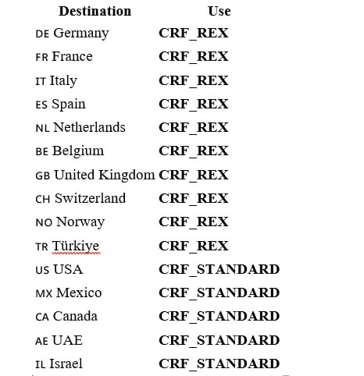
 | JR APPAREL CO.,LTD
 | KAOH KNOR PREAEK ROKA KANDAL STUENG
 | KANDAL PROVINCE CAMBODIA
 | ATTN: KENDY TEL 085441621
 | VAT# L001-902501613

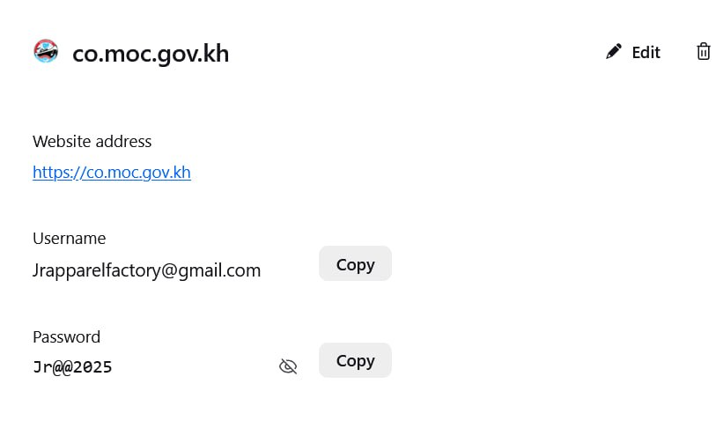

NSW. |  | MOC
 | jrapparelfactory@gmail.com |  | Jrapparelfactory@gmail.com
 | jr123456 |  | Jr@@2025
 | Email password @@jr2025

